Cover page
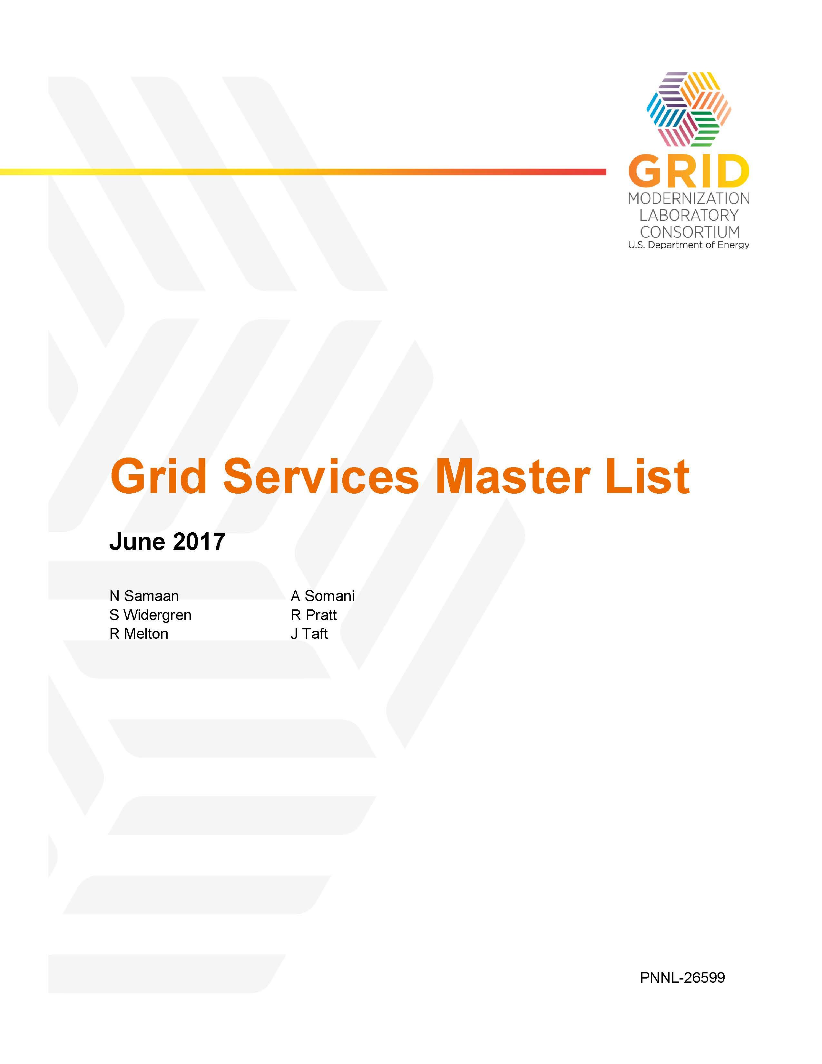

Disclaimer
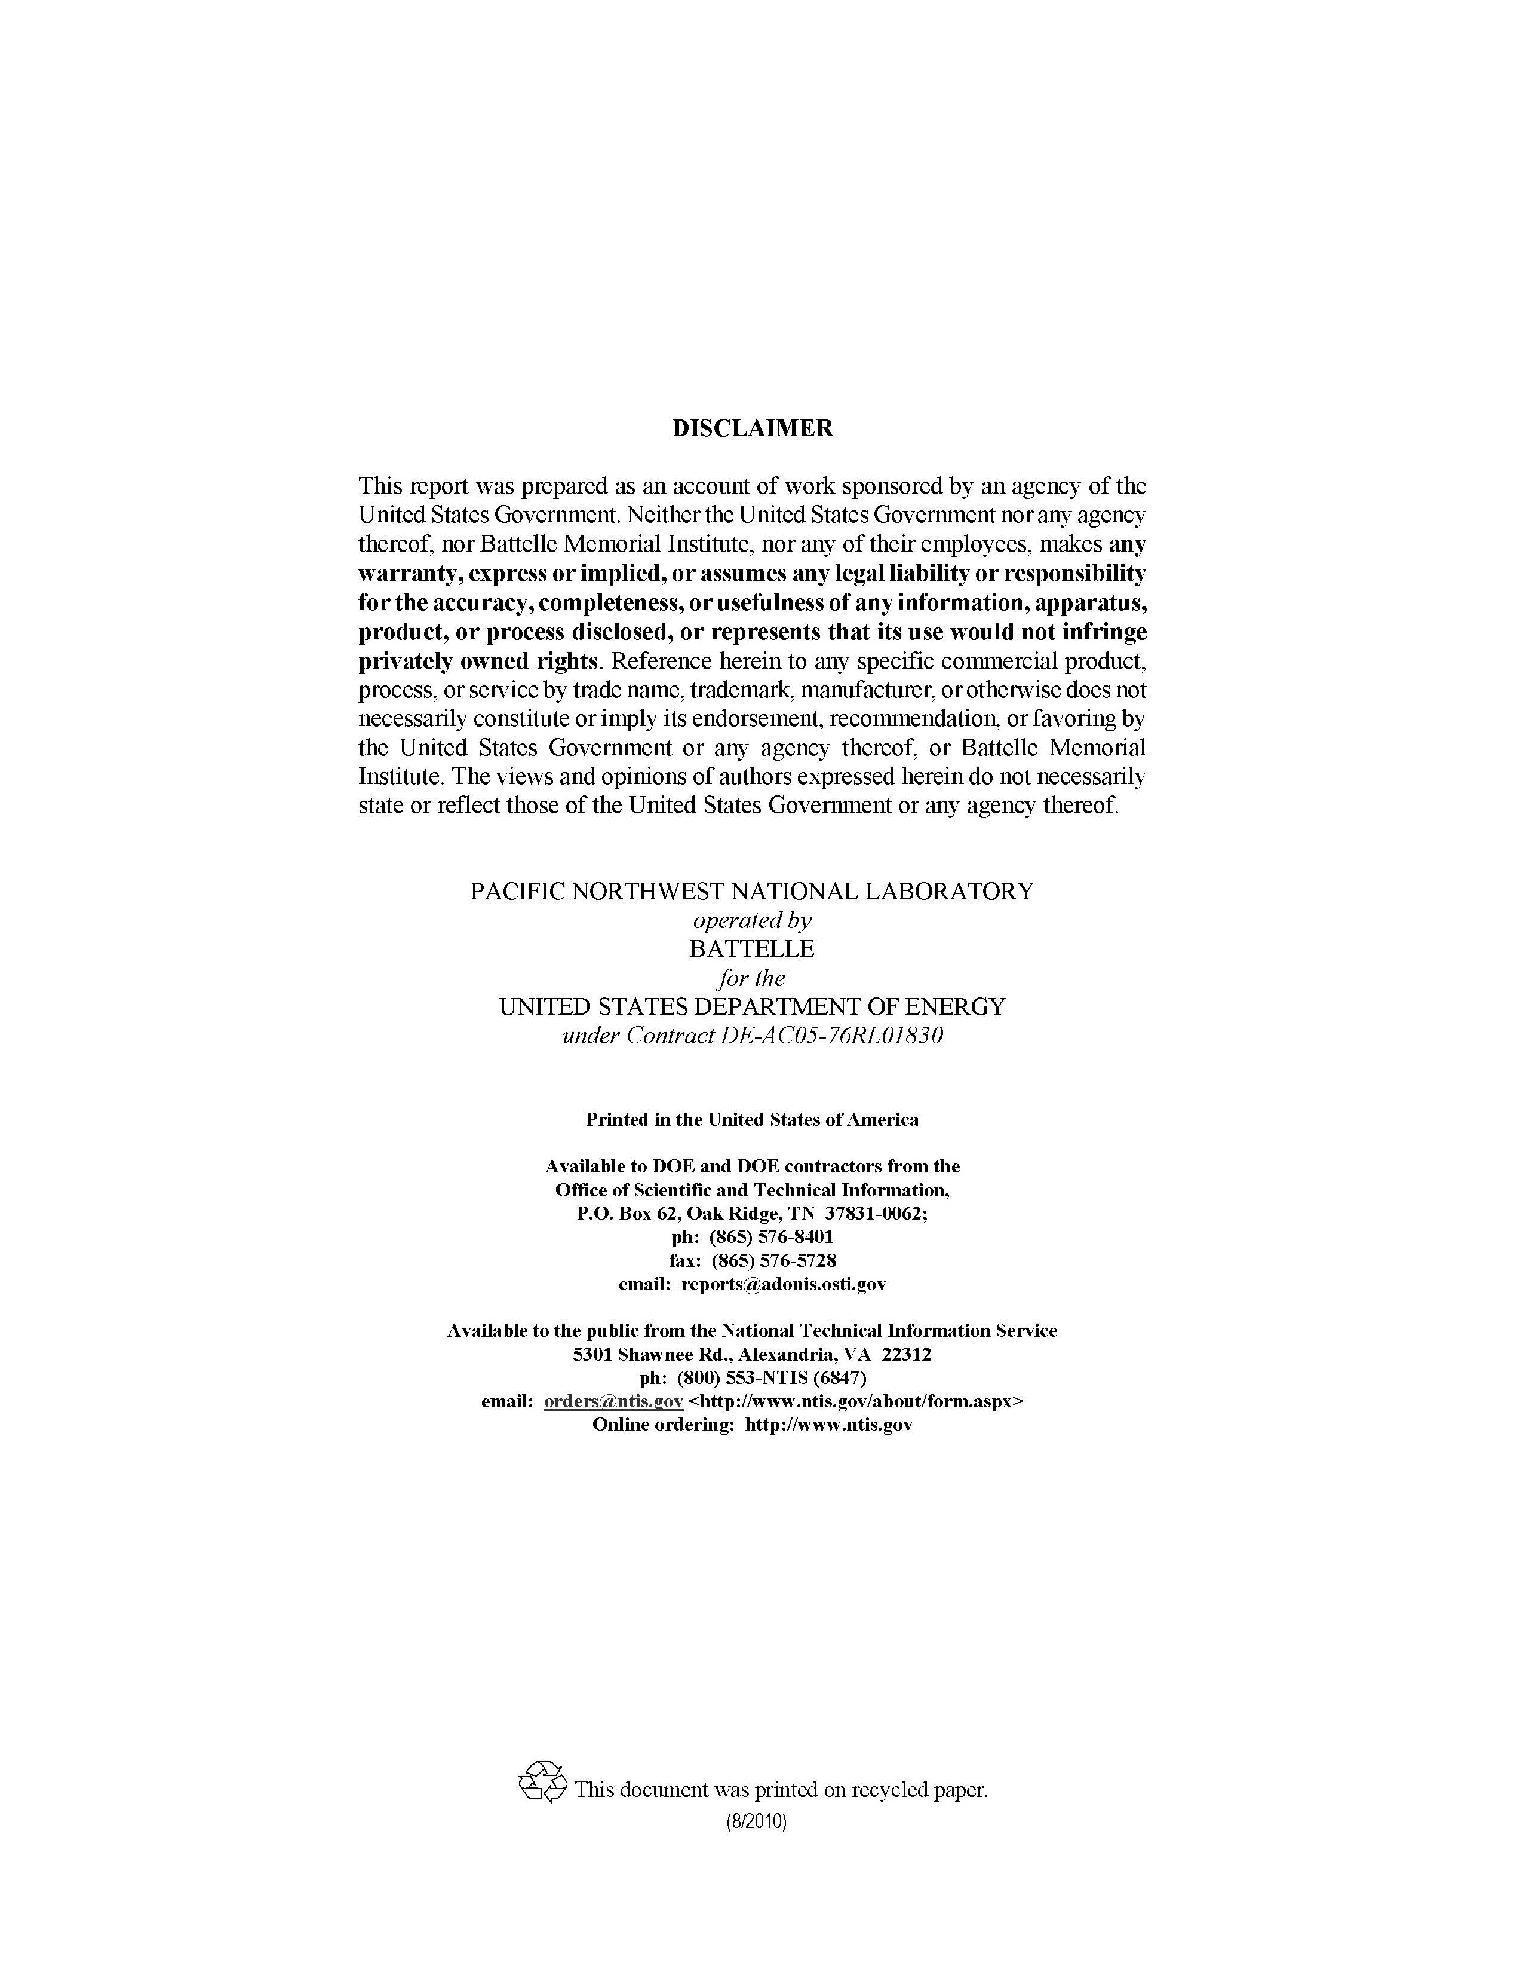

Title Page
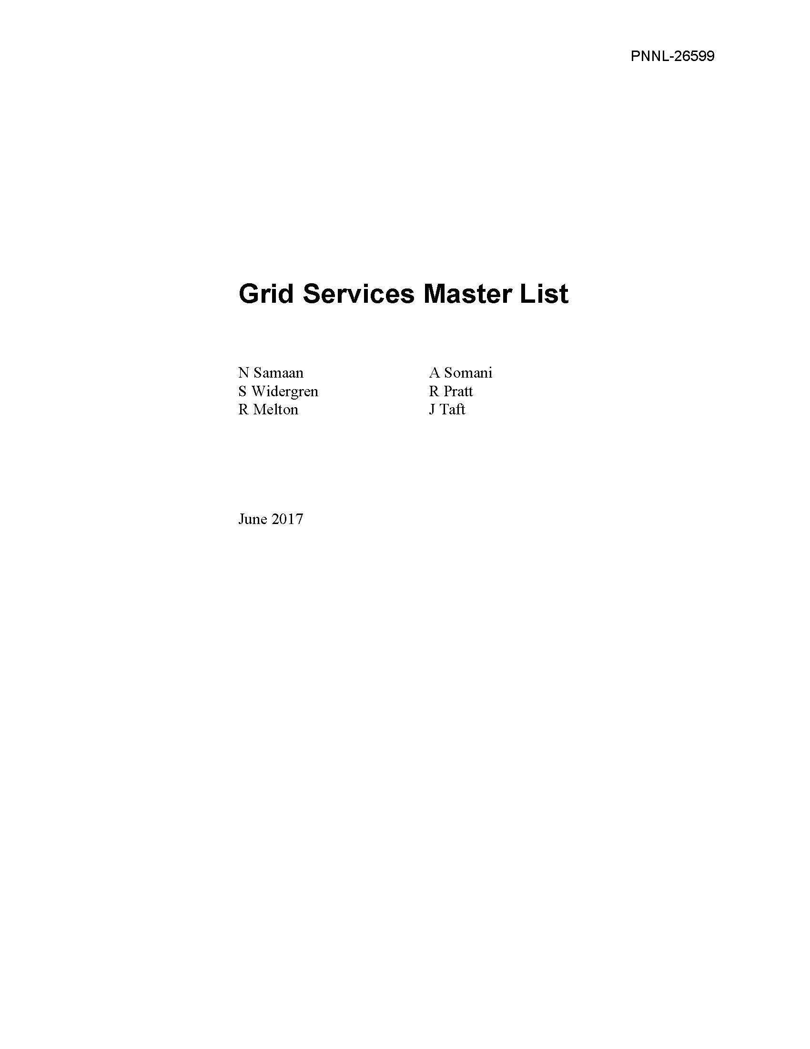

Contents
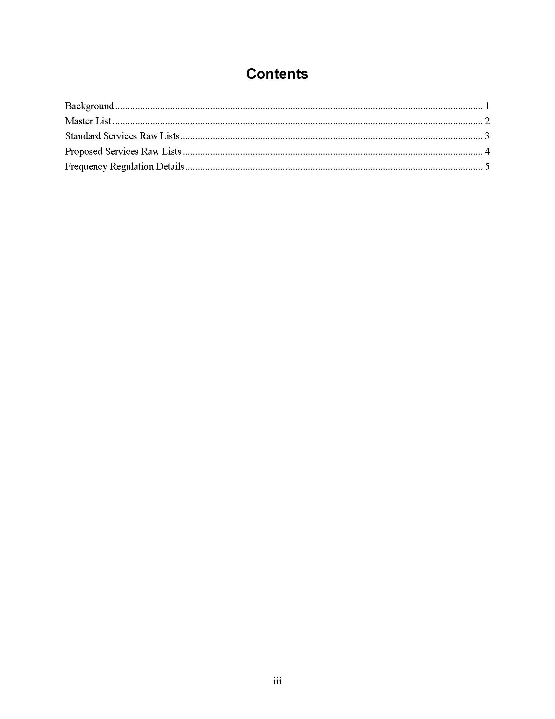

Standard Services Raw Lists
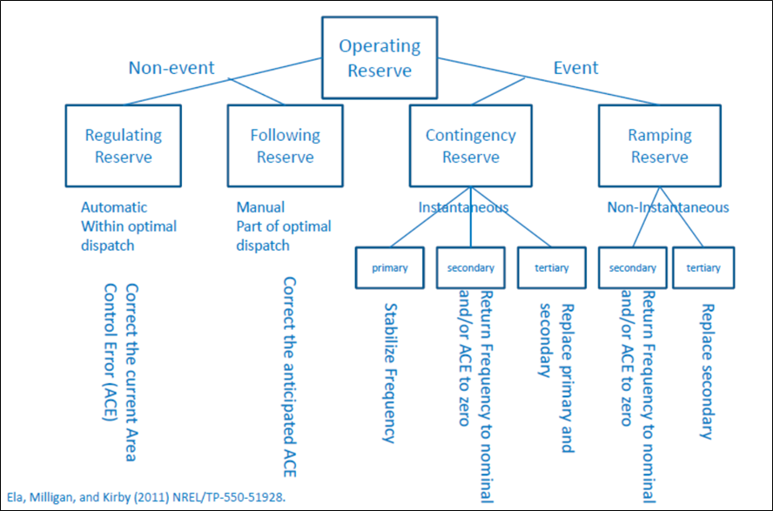
 | This sheet contains standard definition of services as used in the electric utility industry. They are derived from regulatory and other industry sources and generally derive from Bulk Energy Systems operations.

SERVICES | SERVICES | COMMENTS

NERC Essential Reliability Services | NERC Interconnected Operating Services
Frequency Support | Frequency Response | See the Freq Regulation Details tab for some key specifications
Inertial support |  | Traditionally derives from rotational momentum of traditional generators; acts instantaneously to slow initial ROCOF; note that as wind and solar displace traditional generation, system inertia provided by such units decreases. See Proposed services for more info.
Primary freq response (droop and governor response) |  | Operates in the roughly 5-30 second time range after a system frequency change via localized control; load sharing adjustment is stabilized by system inertia to minimize/prevent governor hunting.
Secondary freq response – AGC/ACE | Regulation Load following | Operates in the 30-second to ten minute time period after a frequency change; traditionally done via centralized control at Balancing Authorities or system operators. Some ISOs use market mechanisms to procure resources for regulation. Generation capacity above the nominal generation level is called ‘regulation up’ and below is called ‘regulation down’. Regulation up and regulation down are procured as separate ancillary services in California. | s
Tertiary freq response | Contingency Reserve | Operates in the 30 + minute range to replace secondary response using manual supplemental reserve or market dispatch.
Voltage Support | Reactive Power Supply from Gen Sources | The primary objective of Voltage Support is to maintain the voltages in the transmission system within a secure, stable range. Voltage support is specific and requires reactive power control from reactive resources distributed throughout the power system.
Ramping
 | System Black Start Capability

FERC Ancillary Services | Other BES Services
Reactive power / voltage control | Responsive reserve
Loss Compensation | Spinning reserve
Scheduling and dispatch | Planning reserve
Load following | Scheduled backup
System protection | Wheeling
Energy imbalance | Tie line telemetry
 | Emergency energy
 | Inadvertent energy payback
 | Redispatch
 | PMU data sharing

Traditional Ancillary Reserves Taxonomy

Back Cover
